Movies
Tobacco and Alcohol Use in Children Movies in the 80s and 90s
Movie | year | Relese date | Company | Length (min) | Tobacco Use (s) | Alcohol Use (s) | Length (s) | % of tobacco and alcohol use | MONTHS | 1min= | 60 | sec
101 Dalmations | 1996 | 1996-11-27 | Disney | 79 | 299 | 51 | 4740.00 | 7% | 11
Aladdin | 1992 | 1992-11-25 | Disney | 90 | 2 | 3 | 5400.00 | 0% | 11
All Dogs Go to Heaven | 1989 | 1989-11-17 | MGM | 89 | 205 | 73 | 5340.00 | 5% | 11
All Dogs Go to Heaven 2 | 1996 | 1996-03-29 | MGM | 82 | 162 | 72 | 4920.00 | 5% | 3
An American Tail | 1986 | 1986-11-21 | Universal | 77 | 155 | 74 | 4620.00 | 5% | 11
Anastasia | 1997 | 1997-11-21 | 20th Century Fox | 94 | 17 | 39 | 5640.00 | 1% | 11
Balto | 1995 | 1995-12-22 | Universal | 78 | 0 | 0 | 4680.00 | 0% | 12
Cats Don't Dance | 1997 | 1997-03-28 | Warner Bros | 75 | 91 | 0 | 4500.00 | 2% | 3
Fievel Goes West | 1991 | 1991-11-22 | Universal | 75 | 24 | 28 | 4500.00 | 1% | 11
James and the Giant Peach | 1996 | 1996-04-12 | Disney | 79 | 206 | 38 | 4740.00 | 5% | 4
Little Mermaid | 1989 | 1989-11-17 | Disney | 82 | 9 | 0 | 4920.00 | 0% | 11
Once Upon a Forest | 1993 | 1993-06-18 | 20th Century Fox | 71 | 0 | 0 | 4260.00 | 0% | 6
Pippi Longstocking | 1997 | 1997-08-22 | Warner Bros | 102 | 91 | 0 | 6120.00 | 1% | 8
Space Jam | 1996 | 1996-11-10 | Warner Bros | 81 | 117 | 0 | 4860.00 | 2% | 11
The Land Before Time 2 | 1994 | 1994-12-12 | Universal | 74 | 0 | 0 | 4440.00 | 0% | 12
The secret of NIMH | 1982 | 1982-07-02 | MGM | 83 | 0 | 0 | 4980.00 | 0% | 7
The troll in Centrall Park | 1994 | 1994-10-07 | Warner Bros | 76 | 1 | 0 | 4560.00 | 0% | 10
Thumbelina | 1994 | 1994-03-30 | Warner Bros | 86 | 6 | 5 | 5160.00 | 0% | 3
We're Back: A Dinosaur Story | 1993 | 1993-11-24 | Universal | 73 | 55 | 0 | 4380.00 | 1% | 11
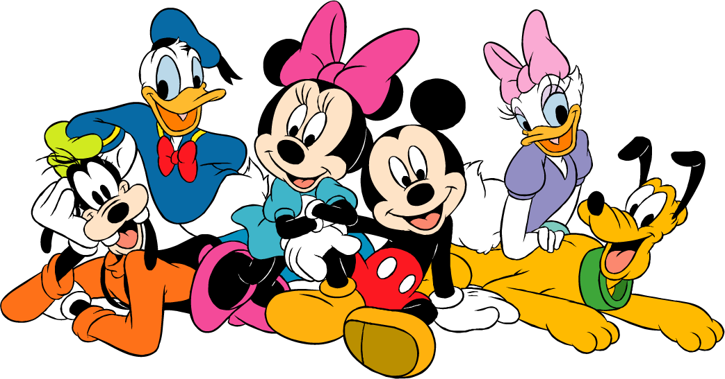

1 - How many movies are being considered? |  |  |  |  |  |  | 19.00
2 - What is the percentage of movies produced by "MGM"? |  |  |  |  |  |  | 16%
3 - How many movies include Tobacco and Alcohol use? |  |  |  |  |  |  | 9.00
4 - How many movies include Tobacco or Alcohol use? |  |  |  |  |  |  | 15.00
5 - How many movies are produced by Universal between 1980 and 1995? (inclusively) |  |  |  |  |  |  | 5.00
6 - What is the average use of tobacco by movies produced between 1980 and 1990? (inclusively) |  |  |  |  |  |  | 92.30
7 - What is the average use of alcohol by "Disney" movies? |  |  |  |  |  |  | 23.00
8 - What is the total length in seconds of use of Alcohol in movies produced by "Disney" and by "Universal"? |  |  |  |  |  |  | 194.00
9 - What is the number of movies where percentage of tobacco and alcohol use is greater than 4%? |  |  |  |  |  |  | 5.00
10 - What is the percentage of movies produced by "MGM" after year 1985? |  |  |  |  |  |  | 11%
11 - What is the total length of use of tobacco in "Disney" movies in the 90s? |  |  |  |  |  |  | 507.00
12 - How many movies produced by companies other than "Warner Bros" show a tobaco use more than 30 seconds? |  |  |  |  |  |  | 6.00
13 - How many movies have a composite name, formed at least of three words? |  |  |  |  |  |  | 11.00
14 - What is the average length in minutes of movies released between 10/21/1993 and 1/1/1997 (exclusively) |  |  |  |  |  |  | 78.70
15 - How many movies are released in the month of November? |  |  |  |  |  |  | 9.00

